Dashboard
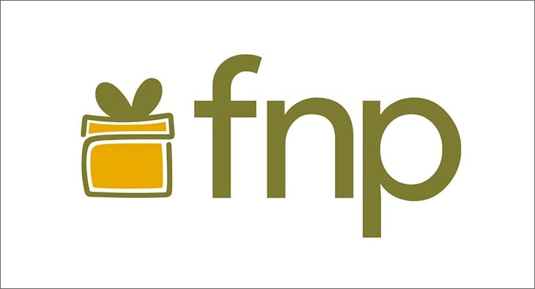
Sales Analysis
95
Total Order Placed
₹ 3,13,783.00
Total revenue
4.947368421
Order - Delivery Time
₹ 3,13,783.00
Average Spending

Revenue By occasions
 | Total
All Occasions | ₹ 586,176.00
Anniversary | ₹ 674,634.00
Birthday | ₹ 408,194.00
Diwali | ₹ 313,783.00
Holi | ₹ 574,682.00
Raksha Bandhan | ₹ 631,585.00
Valentine's Day | ₹ 331,930.00
Revenue by category
 | Total
Sweets | ₹ 178,594.00
Colors | ₹ 58,253.00
Plants | ₹ 34,936.00
Raksha Bandhan | ₹ 42,000.00
Revenue by Hour Order Time
 | Total
0 | ₹ 2,178.00
1 | ₹ 16,254.00
10 | ₹ 21,186.00
11 | ₹ 4,654.00
12 | ₹ 8,852.00
13 | ₹ 8,562.00
14 | ₹ 23,937.00
15 | ₹ 18,237.00
16 | ₹ 6,933.00
17 | ₹ 10,699.00
18 | ₹ 12,745.00
19 | ₹ 18,676.00
2 | ₹ 14,185.00
20 | ₹ 7,908.00
21 | ₹ 16,751.00
22 | ₹ 1,588.00
23 | ₹ 21,800.00
3 | ₹ 20,513.00
4 | ₹ 2,382.00
5 | ₹ 8,633.00
6 | ₹ 39,622.00
7 | ₹ 13,504.00
8 | ₹ 3,209.00
9 | ₹ 10,775.00

 | Total
November | ₹ 313,783.00
Top 5 Products by Total revenue
 | Total
Accusantium Set | ₹ 61,149.00
Aut Box | ₹ 81,057.00
Ea Set | ₹ 36,388.00
Officiis Pack | ₹ 45,696.00
Quisquam Pack | ₹ 42,000.00
Top 10 Cities by Orders
 | Total
Ajmer | 3
Bidhannagar | 6
Dhanbad | 3
Haridwar | 4
Karaikudi | 4
Kota | 3
Machilipatnam | 3
Madurai | 3
Maheshtala | 5
Nizamabad | 3

